Prob1
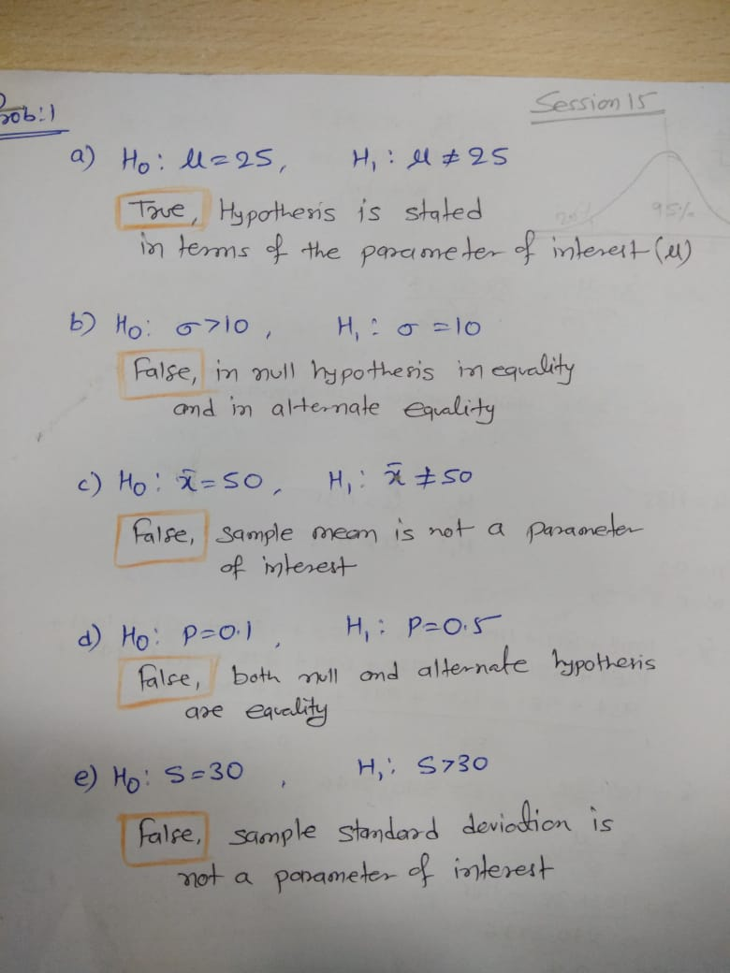

Prob2
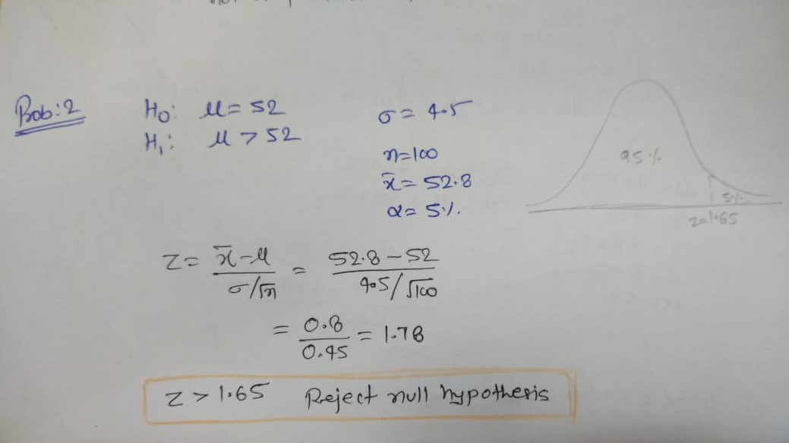

Prob3
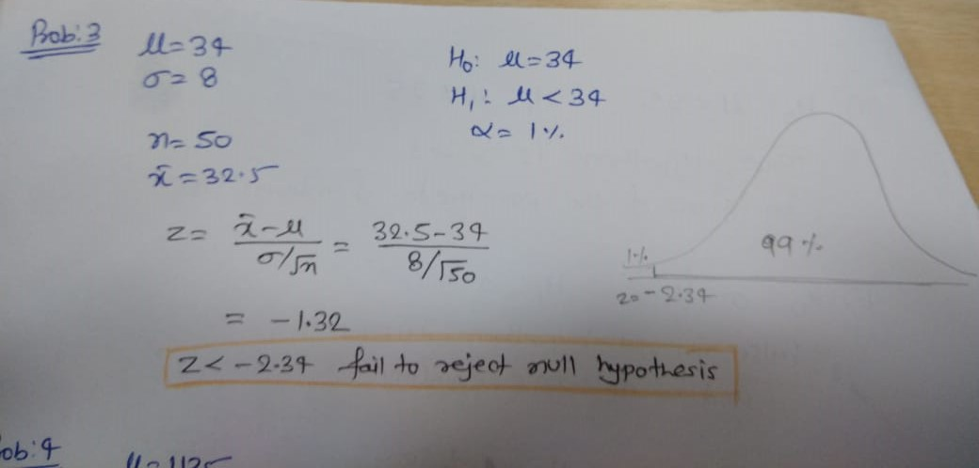

Prob4
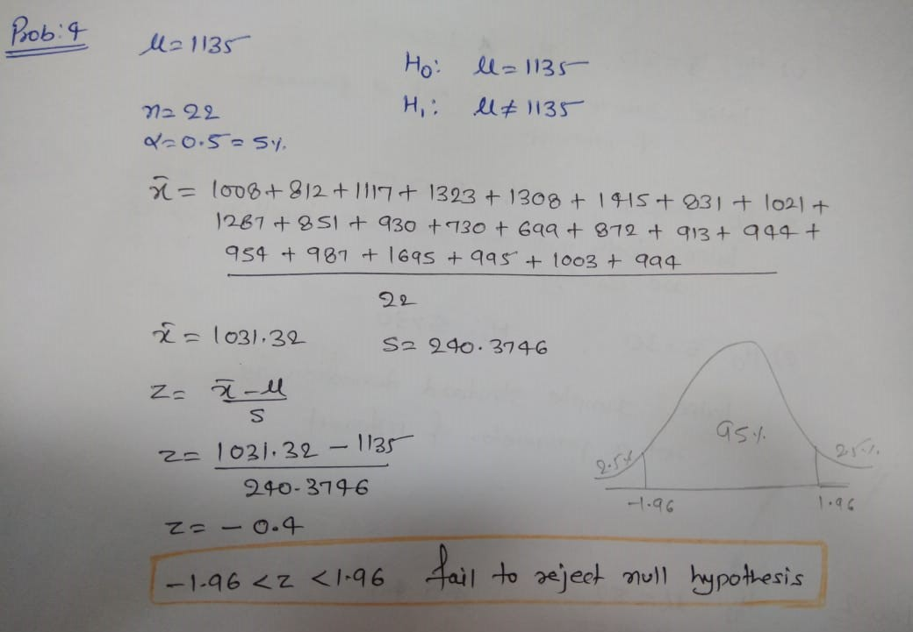

Prob5
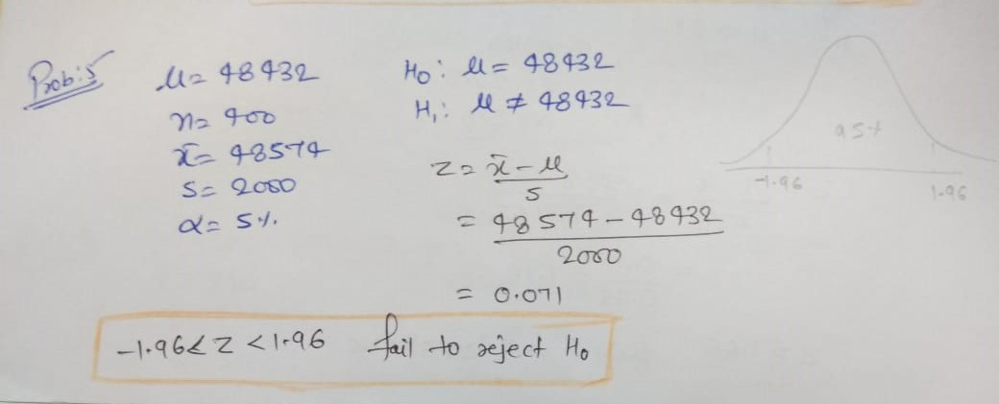

Prob6
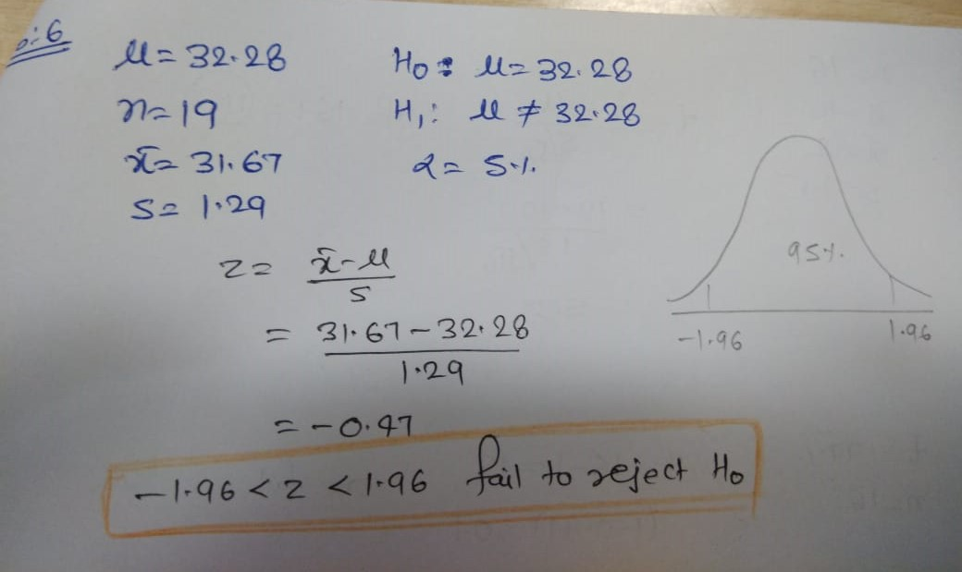

Prob7
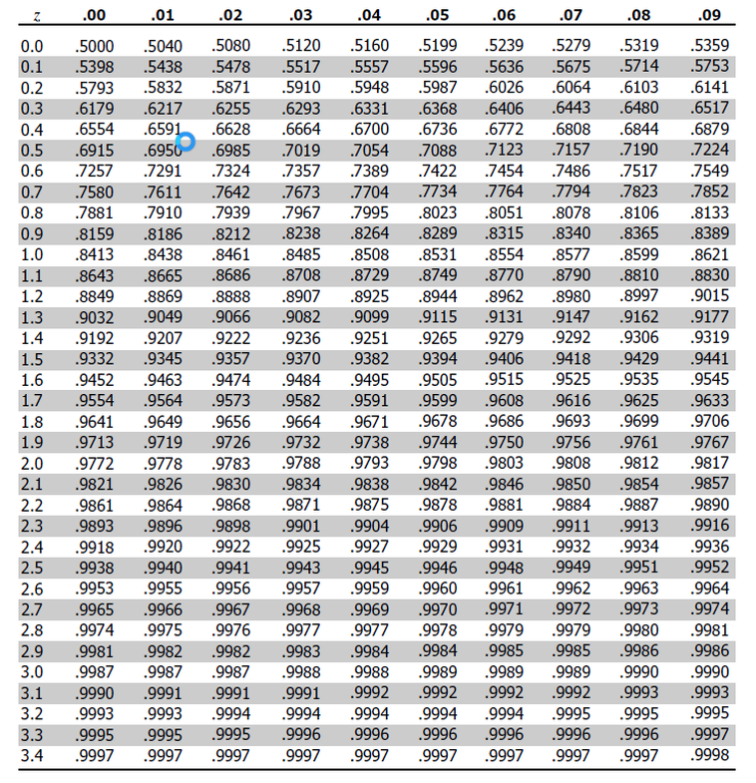
 | s = | 2.5

 |  |  |  |  |  |  | µ = | 52 |  |  | µ = | 50.5
Acceptance region |  |  | Sample size |  | α | β at µ = 52 |  | α | β | β at µ = 50. 5 |  | α | β
48.5 | < x̅ < | 51.5 | 10 | 0.79 |  | -4.43 | -0.63 | 0.7353 | 0.2647 | -2.53 | 1.27 | 0.1077 | 0.8923
48 | < x̅ < | 52 | 10 | 0.79 |  | -5.06 | 0 | 0.5 | 0.5 | -3.16 | 1.9 | 0.0295 | 0.9705
48.81 | < x̅ < | 51.9 | 16 | 0.63 |  | -5.06 | -0.16 | 0.5636 | 0.4364 | -2.68 | 2.22 | 0.0169 | 0.9831
48.42 | < x̅ < | 51.58 | 16 | 0.63 |  | -5.68 | -0.67 | 0.7486 | 0.2514 | -3.3 | 1.71 | 0.0441 | 0.9559

 | for same value of acceptance region β decreses when µ increases

Prob8
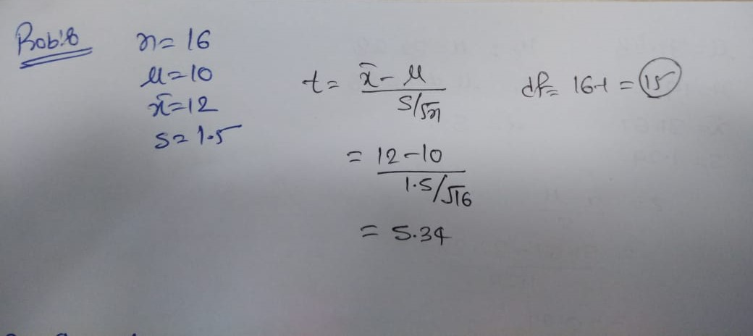

Prob9 & 10
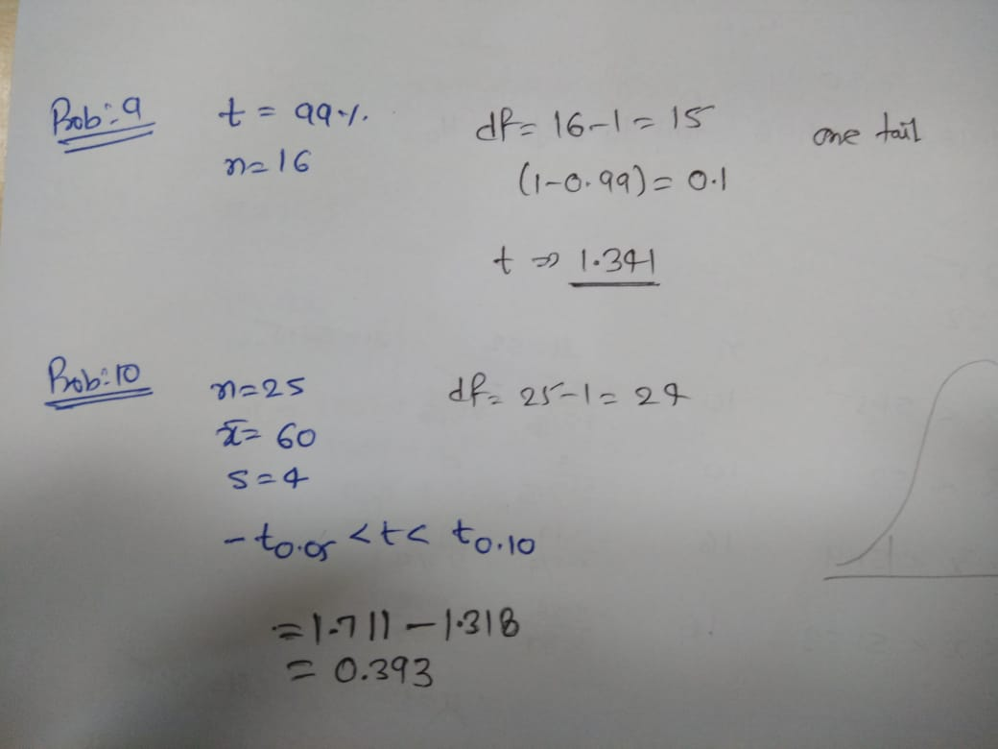

Prob11 & 12
